Diagram
 | Displacement at mid-span [mm]
0.00E+00 | 0.00E+00
1.00E-02 | -2.93E-01
2.00E-02 | -5.86E-01
3.00E-02 | -8.78E-01
4.00E-02 | -1.17E+00
5.00E-02 | -1.46E+00
6.00E-02 | -1.76E+00
7.00E-02 | -2.05E+00
8.00E-02 | -2.34E+00
9.00E-02 | -2.64E+00
1.00E-01 | -2.93E+00
1.10E-01 | -3.22E+00
1.20E-01 | -3.51E+00
1.30E-01 | -3.81E+00
1.40E-01 | -4.10E+00
1.50E-01 | -4.39E+00
1.60E-01 | -4.69E+00
1.70E-01 | -4.98E+00
1.80E-01 | -5.27E+00
1.90E-01 | -5.56E+00
2.00E-01 | -5.86E+00
2.10E-01 | -6.15E+00
2.20E-01 | -6.44E+00
2.30E-01 | -6.74E+00
2.40E-01 | -7.03E+00
2.50E-01 | -7.32E+00
2.60E-01 | -7.62E+00
2.70E-01 | -7.91E+00
2.80E-01 | -8.20E+00
2.90E-01 | -8.49E+00
3.00E-01 | -8.79E+00
3.10E-01 | -9.08E+00
3.20E-01 | -9.37E+00
3.30E-01 | -9.67E+00
3.40E-01 | -9.96E+00
3.50E-01 | -1.03E+01
3.60E-01 | -1.05E+01
3.70E-01 | -1.08E+01
3.80E-01 | -1.11E+01
3.90E-01 | -1.14E+01
4.00E-01 | -1.17E+01
4.10E-01 | -1.20E+01
4.20E-01 | -1.23E+01
4.30E-01 | -1.26E+01
4.40E-01 | -1.29E+01
4.50E-01 | -1.32E+01
4.60E-01 | -1.35E+01
4.70E-01 | -1.38E+01
4.80E-01 | -1.41E+01
4.90E-01 | -1.44E+01
...

Deflected shape
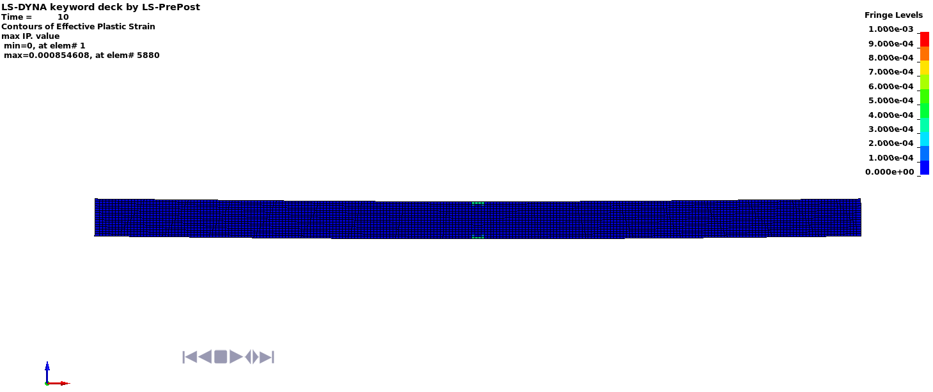

Deflected shape with visible contours of plasticity - side view

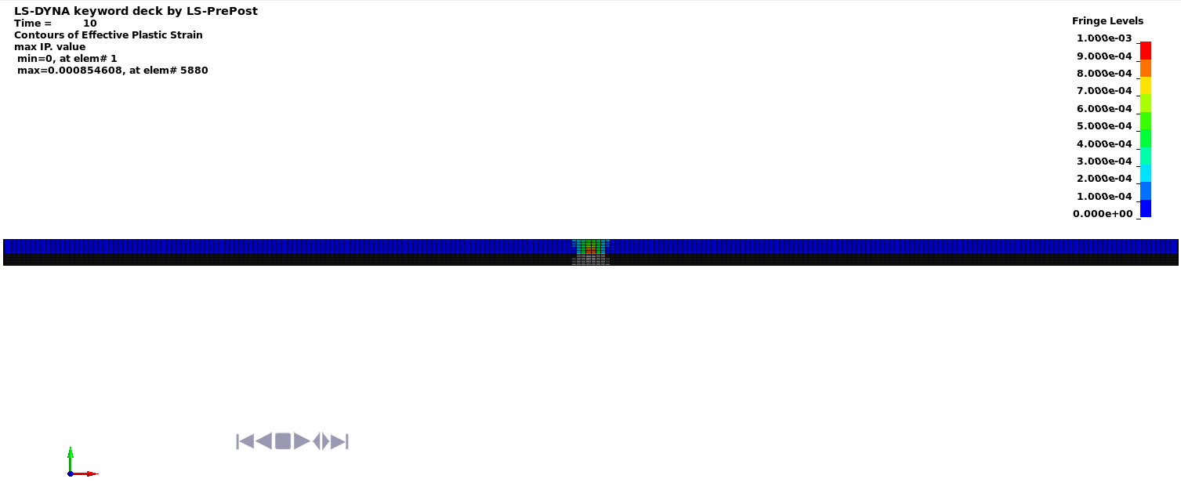

Deflected shape with visible contours of plasticity - top view

